Retirement Calculator
RETIREMENT CALCULATOR

Pls enter your inputs in the blue cells only You may change the assumptions in the green cells (optional)
Inputs
Current age | 40 | Step 1: Fill in key information and current expenses (per month x 12)
Desired retirement age | 65
Estimated last age | 90
Estimated ANNUAL retirement expenses (in today's dollars?) | $50,000 |  | FOR ILLUSTRATION ONLY - GO TO https://ifl.org.sg/tools/retirement-savings-investment-illustrator/ AND INPUT YOUR FIGURES FOR YOUR OWN SIMULATION
Estimated MONTHLY retirement expenses (in today's dollars) | $4,167
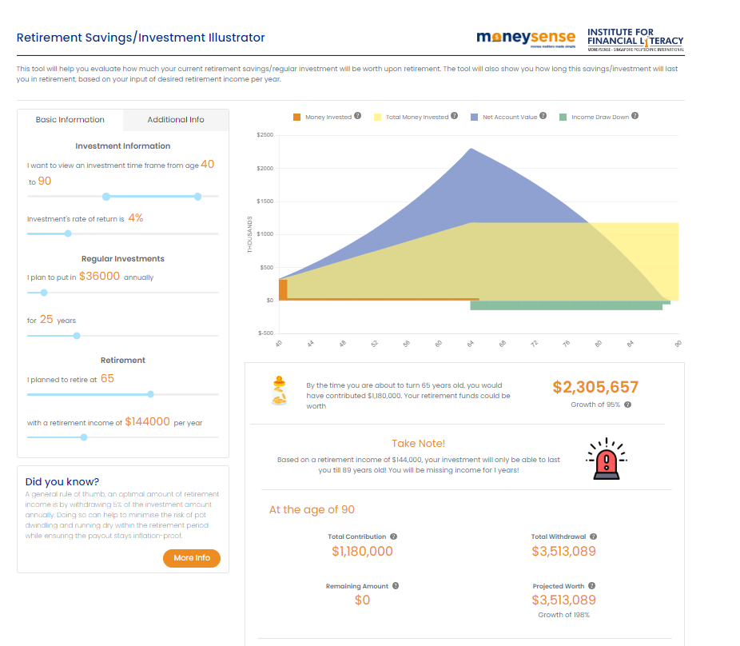
Current retirement savings and investments | $280,000 | Step 2: Estimate Your Available Resources (including CPF OA & SA savings)

Assumptions
Average annual inflation rate | 3.00%
Rate of investment return BEFORE we retire | 4.00%
Rate of investment return DURING our retirement | 4.00%

Calculations
Number of years TO retirement | 25
Number of years IN retirement | 25
Estimated ANNUAL retirement expenses (in FIRST Year of retirement) | $104,689

Outputs
Total retirement savings required AT retirement (FV) | $2,246,506 | Output 1: Your Estimated Retirement Income Needs (FV & PV)
Total retirement savings required TODAY (PV) | $842,702
Given your current savings of | $280,000 | Your Available Resources from Step 2
You have a current surplus/ (shortfall) of | -$562,702 | Output 2: Calculated shortfall

Amount you need to save every YEAR before you retire | $36,020 | Output 3: Target for constructing your retirement plan
This works out to MONTHLY savings of | $3,002

What this means
In addition to your current savings of $280000, you need to save $36020 every year from now until age 65 and invest them at 4% per annum. This helps you to grow your nest egg to $2246506 at age 65 when you retire. This is estimated to provide you with an annual living expenses of $50000 (in today's dollars) for 25 years. This assumes your investments are rebalanced to earn 4% during your retirement years.

 |  | Output 4 : Your Plan of Action
 |  | (Review your inputs and assumptions regularly especially when circumstances change significantly)

